codebook
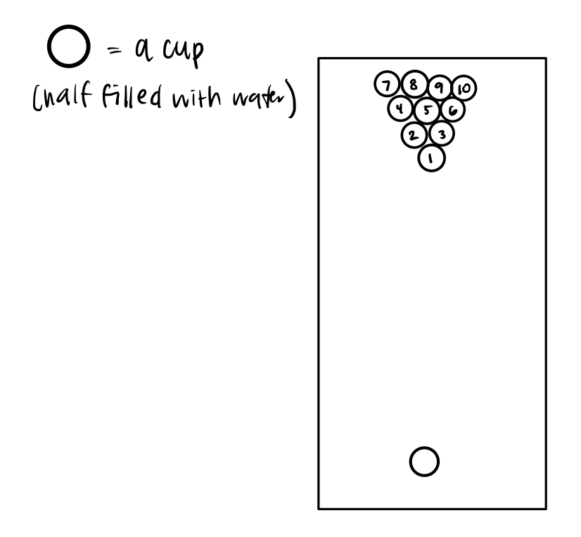
method | W = wet ball ; D = dry ball
success | 0 = shot missed or 1 = shot made
random | randomly generated number assigned to each observation,
 | in order to randomize order of treatments. (can hide this column later)
which_cup | the number of the cup in which the ball was made into
 | 0 = did not make into any cup
 | see diagram for cups 1-10. assigned # by position in triangle

